Tabelle1
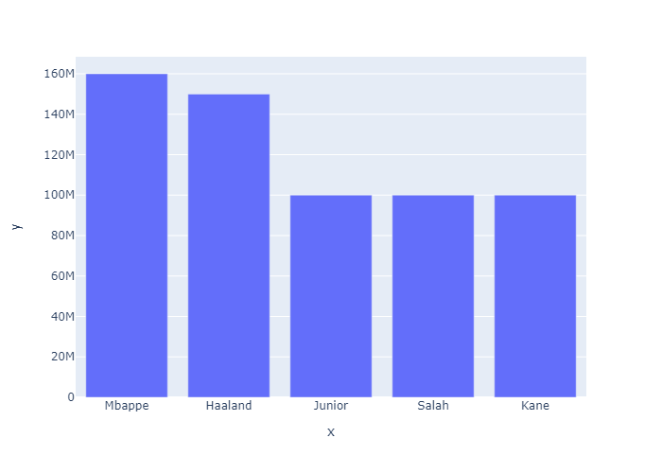
id | first_name | last_name | value
31 | Kylian | Mbappe | 160,000,000
32 | Erling | Haaland | 150000000
33 | Vinicius | Junior | 100000000
34 | Mohamed | Salah | 100000000
35 | Harry | Kane | 100000000

Bar Chart

